Daily Power Station Chart_14-01
Plant_02/01/2025Chart

Plant:odco1 |  |  | Installed Capacity:111.180kWp
Today Yield(kWh):80.600kWh |  | Today Earning:32240.000TND |  | Today Full Load Hours(h):0.72h

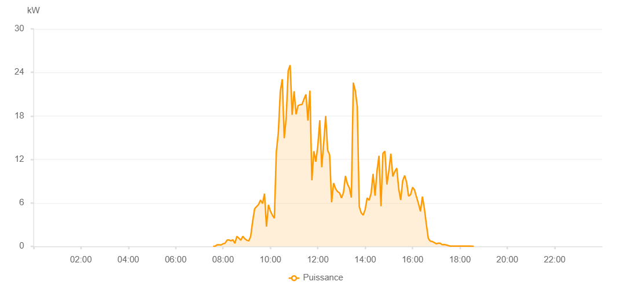

Number | Time | Working State | PV(W) | Instantaneous Radiation(W/㎡)
1 | 07:35:00 | Online | 20.00000 | 0
2 | 07:40:00 | Online | 20.00000 | 0
3 | 07:45:00 | Online | 220.00000 | 0
4 | 07:50:00 | Online | 220.00000 | 0
5 | 07:55:00 | Online | 200.00000 | 5.00000
6 | 08:00:00 | Online | 360.00000 | 1.00000
7 | 08:05:00 | Online | 430.00000 | 1.00000
8 | 08:10:00 | Online | 850.00000 | 7.00000
9 | 08:15:00 | Online | 890.00000 | 9.00000
10 | 08:20:00 | Online | 760.00000 | 5.00000
11 | 08:25:00 | Online | 910.00000 | 2.00000
12 | 08:30:00 | Online | 420.00000 | 6.00000
13 | 08:35:00 | Online | 1380.00000 | 5.00000
14 | 08:40:00 | Online | 1120.00000 | 5.00000
15 | 08:45:00 | Online | 840.00000 | 9.00000
16 | 08:50:00 | Online | 1400.00000 | 8.00000
17 | 08:55:00 | Online | 1060.00000 | 9.00000
18 | 09:00:00 | Online | 850.00000 | 7.00000
19 | 09:05:00 | Online | 750.00000 | 4.00000
20 | 09:10:00 | Online | 1380.00000 | 9.00000
21 | 09:15:00 | Online | 3450.00000 | 16.00000
22 | 09:20:00 | Online | 5180.00000 | 42.00000
23 | 09:25:00 | Online | 5490.00000 | 29.00000
24 | 09:30:00 | Online | 5780.00000 | 38.00000
25 | 09:35:00 | Online | 6400.00000 | 49.00000
26 | 09:40:00 | Online | 5910.00000 | 46.00000
27 | 09:45:00 | Online | 7270.00000 | 50.00000
28 | 09:50:00 | Online | 2710.00000 | 24.00000
29 | 09:55:00 | Online | 5730.00000 | 31.00000
30 | 10:00:00 | Online | 4860.00000 | 43.00000
31 | 10:05:00 | Online | 4300.00000 | 36.00000
32 | 10:10:00 | Online | 3890.00000 | 50.00000
33 | 10:15:00 | Online | 13040.00000 | 63.00000
34 | 10:20:00 | Online | 15650.00000 | 108.00000
35 | 10:25:00 | Online | 21340.00000 | 108.00000
36 | 10:30:00 | Online | 23060.00000 | 153.00000
37 | 10:35:00 | Online | 14910.00000 | 115.00000
38 | 10:40:00 | Online | 17780.00000 | 89.00000
39 | 10:45:00 | Online | 24220.00000 | 123.00000
40 | 10:50:00 | Online | 25000.00000 | 196.00000
41 | 10:55:00 | Online | 18150.00000 | 240.00000
42 | 11:00:00 | Online | 21410.00000 | 186.00000
43 | 11:05:00 | Online | 18220.00000 | 152.00000
44 | 11:10:00 | Online | 19420.00000 | 190.00000
45 | 11:15:00 | Online | 19530.00000 | 169.00000
46 | 11:20:00 | Online | 19580.00000 | 186.00000
47 | 11:25:00 | Online | 20310.00000 | 199.00000
48 | 11:30:00 | Online | 20970.00000 | 217.00000
49 | 11:35:00 | Online | 17340.00000 | 105.00000
50 | 11:40:00 | Online | 21480.00000 | 185.00000
51 | 11:45:00 | Online | 9120.00000 | 76.00000
52 | 11:50:00 | Online | 13130.00000 | 136.00000
53 | 11:55:00 | Online | 11680.00000 | 165.00000
54 | 12:00:00 | Online | 13870.00000 | 92.00000
55 | 12:05:00 | Online | 17390.00000 | 196.00000
56 | 12:10:00 | Online | 10920.00000 | 107.00000
57 | 12:15:00 | Online | 14310.00000 | 94.00000
58 | 12:20:00 | Online | 18000.00000 | 131.00000
59 | 12:25:00 | Online | 13240.00000 | 109.00000
60 | 12:30:00 | Online | 12630.00000 | 58.00000
61 | 12:35:00 | Online | 6090.00000 | 50.00000
62 | 12:40:00 | Online | 8730.00000 | 46.00000
63 | 12:45:00 | Online | 7960.00000 | 88.00000
64 | 12:50:00 | Online | 7550.00000 | 62.00000
65 | 12:55:00 | Online | 7370.00000 | 48.00000
66 | 13:00:00 | Online | 6680.00000 | 47.00000
67 | 13:05:00 | Online | 7430.00000 | 58.00000
68 | 13:10:00 | Online | 9720.00000 | 74.00000
69 | 13:15:00 | Online | 8620.00000 | 85.00000
70 | 13:20:00 | Online | 8050.00000 | 63.00000
71 | 13:25:00 | Online | 6730.00000 | 56.00000
72 | 13:30:00 | Online | 22580.00000 | 128.00000
73 | 13:35:00 | Online | 21480.00000 | 193.00000
74 | 13:40:00 | Online | 19280.00000 | 153.00000
75 | 13:45:00 | Online | 5490.00000 | 64.00000
76 | 13:50:00 | Online | 4610.00000 | 33.00000
77 | 13:55:00 | Online | 4320.00000 | 40.00000
78 | 14:00:00 | Online | 5100.00000 | 34.00000
79 | 14:05:00 | Online | 6680.00000 | 83.00000
80 | 14:10:00 | Online | 6370.00000 | 47.00000
81 | 14:15:00 | Online | 7310.00000 | 42.00000
82 | 14:20:00 | Online | 10000.00000 | 92.00000
83 | 14:25:00 | Online | 6980.00000 | 54.00000
84 | 14:30:00 | Online | 10440.00000 | 38.00000
85 | 14:35:00 | Online | 12500.00000 | 121.00000
86 | 14:40:00 | Online | 5530.00000 | 62.00000
87 | 14:45:00 | Online | 12830.00000 | 50.00000
88 | 14:50:00 | Online | 13140.00000 | 122.00000
89 | 14:55:00 | Online | 8530.00000 | 77.00000
90 | 15:00:00 | Online | 10440.00000 | 96.00000
91 | 15:05:00 | Online | 12790.00000 | 98.00000
92 | 15:10:00 | Online | 9640.00000 | 95.00000
93 | 15:15:00 | Online | 10320.00000 | 57.00000
94 | 15:20:00 | Online | 10800.00000 | 108.00000
95 | 15:25:00 | Online | 7910.00000 | 84.00000
96 | 15:30:00 | Online | 6390.00000 | 54.00000
97 | 15:35:00 | Online | 9040.00000 | 76.00000
98 | 15:40:00 | Online | 9780.00000 | 81.00000
99 | 15:45:00 | Online | 8830.00000 | 83.00000
100 | 15:50:00 | Online | 6930.00000 | 56.00000
101 | 15:55:00 | Online | 7140.00000 | 57.00000
102 | 16:00:00 | Online | 8150.00000 | 67.00000
103 | 16:05:00 | Online | 7790.00000 | 75.00000
104 | 16:10:00 | Online | 6820.00000 | 81.00000
105 | 16:15:00 | Online | 5900.00000 | 38.00000
106 | 16:20:00 | Online | 4820.00000 | 19.00000
107 | 16:25:00 | Online | 6860.00000 | 28.00000
108 | 16:30:00 | Online | 5200.00000 | 62.00000
109 | 16:35:00 | Online | 3030.00000 | 41.00000
110 | 16:40:00 | Online | 1070.00000 | 16.00000
111 | 16:45:00 | Online | 720.00000 | 9.00000
112 | 16:50:00 | Online | 670.00000 | 7.00000
113 | 16:55:00 | Online | 530.00000 | 4.00000
114 | 17:00:00 | Online | 360.00000 | 1.00000
115 | 17:05:00 | Online | 440.00000 | 1.00000
116 | 17:10:00 | Online | 430.00000 | 0
117 | 17:15:00 | Online | 240.00000 | 1.00000
118 | 17:20:00 | Online | 260.00000 | 0
119 | 17:25:00 | Online | 200.00000 | 0
120 | 17:30:00 | Online | 120.00000 | 0
121 | 17:35:00 | Online | 40.00000 | 0
122 | 17:40:00 | Online | 40.00000 | 0
123 | 17:45:00 | Online | 40.00000 | 0
124 | 17:50:00 | Online | 40.00000 | 0
125 | 17:55:00 | Online | 40.00000 | 0
126 | 18:00:00 | Online | 40.00000 | 0
127 | 18:05:00 | Online | 40.00000 | 0
128 | 18:10:00 | Online | 40.00000 | 0
129 | 18:15:00 | Online | 40.00000 | 0
130 | 18:20:00 | Online | 40.00000 | 0
131 | 18:25:00 | Online | 40.00000 | 0
132 | 18:30:00 | Online | 20.00000 | 0
133 | 18:35:00 | Online | 20.00000 | 0
134 | 19:00:00 | Online | 0.00001 | 0.00001

